Data Pipelines
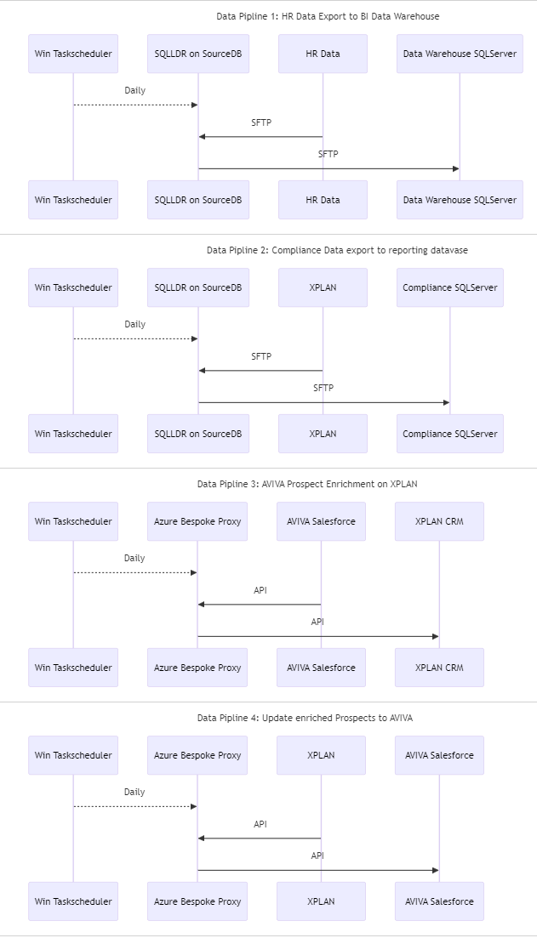
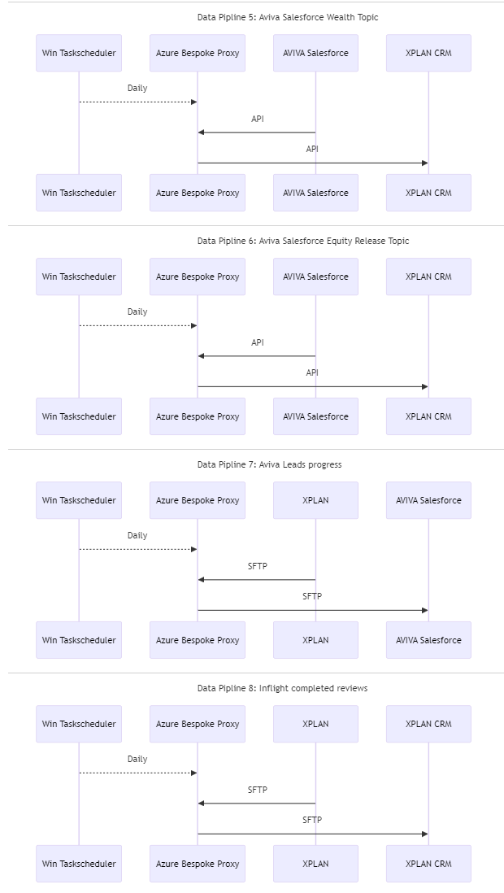
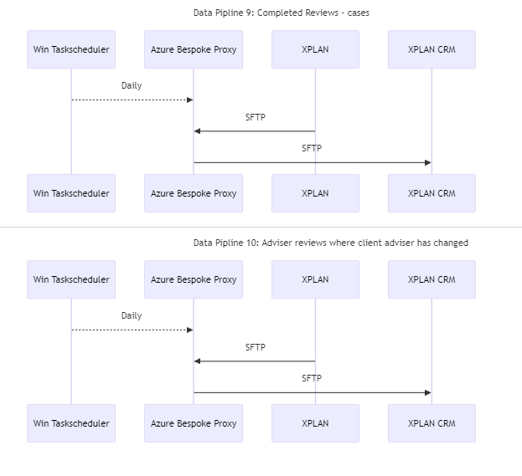
ID | Source Data | Interface | Acknowledgement | ETL Process | Destination Data | Interface | Acknowledgement | ETL Process | Description | Size | Scheduler | Frequency | Notes | Generated Markdown
1 | HR Data | SFTP |  | SQLLDR on SourceDB | Data Warehouse SQLServer | SFTP |  | SQLLDR on TargetDB |  |  | Win Taskscheduler | Daily |  | --- ```mermaid sequenceDiagram title Data Pipline 1: Win Taskscheduler-->>SQLLDR on SourceDB:Daily HR Data->>SQLLDR on SourceDB:SFTP SQLLDR on SourceDB->>Data Warehouse SQLServer:SFTP ```
2 | CRM | SFTP |  | SQLLDR on SourceDB | Compliance SQLServer | SFTP |  | Azure Bespoke Proxy |  |  | Win Taskscheduler | Daily |  | --- ```mermaid sequenceDiagram title Data Pipline 2: Win Taskscheduler-->>SQLLDR on SourceDB:Daily CRM->>SQLLDR on SourceDB:SFTP SQLLDR on SourceDB->>Compliance SQLServer:SFTP ```
3 | Salesforce | gRPC API | EntityID | Azure Bespoke Proxy | CRM | ReST API | EntityID | Azure Bespoke Proxy |  |  | Win Taskscheduler | Daily |  | --- ```mermaid sequenceDiagram title Data Pipline 3: Win Taskscheduler-->>Azure Bespoke Proxy:Daily Salesforce->>Azure Bespoke Proxy:gRPC API Azure Bespoke Proxy-->>Salesforce:EntityID Azure Bespoke Proxy->>CRM:ReST API CRM-->>Azure Bespoke Proxy:EntityID ```
4 | CRM | SFTP |  | Azure Bespoke Proxy | Salesforce | API |  | Azure Bespoke Proxy |  |  | Win Taskscheduler | Daily |  | --- ```mermaid sequenceDiagram title Data Pipline 4: Win Taskscheduler-->>Azure Bespoke Proxy:Daily CRM->>Azure Bespoke Proxy:SFTP Azure Bespoke Proxy->>Salesforce:API ```
5 | Salesforce | gRPC API |  | Azure Bespoke Proxy | CRM | ReST API |  | Azure Bespoke Proxy |  |  | Win Taskscheduler | Daily |  | --- ```mermaid sequenceDiagram title Data Pipline 5: Win Taskscheduler-->>Azure Bespoke Proxy:Daily Salesforce->>Azure Bespoke Proxy:gRPC API Azure Bespoke Proxy->>CRM:ReST API ```
6 | Salesforce | gRPC API |  | Azure Bespoke Proxy | CRM | ReST API |  | Azure Bespoke Proxy |  |  | Win Taskscheduler | Daily |  | --- ```mermaid sequenceDiagram title Data Pipline 6: Win Taskscheduler-->>Azure Bespoke Proxy:Daily Salesforce->>Azure Bespoke Proxy:gRPC API Azure Bespoke Proxy->>CRM:ReST API ```
7 | CRM | SFTP |  | Azure Bespoke Proxy | Salesforce | SFTP |  | Azure Bespoke Proxy |  |  | Win Taskscheduler | Daily |  | --- ```mermaid sequenceDiagram title Data Pipline 7: Win Taskscheduler-->>Azure Bespoke Proxy:Daily CRM->>Azure Bespoke Proxy:SFTP Azure Bespoke Proxy->>Salesforce:SFTP ```
8 | CRM | SFTP |  | Azure Bespoke Proxy | CRM | ReST API |  | Azure Bespoke Proxy |  |  | Win Taskscheduler | Daily |  | --- ```mermaid sequenceDiagram title Data Pipline 8: Win Taskscheduler-->>Azure Bespoke Proxy:Daily CRM->>Azure Bespoke Proxy:SFTP Azure Bespoke Proxy->>CRM:ReST API ```
9 | CRM | SFTP |  | Azure Bespoke Proxy | CRM | ReST API |  | Azure Bespoke Proxy |  |  | Win Taskscheduler | Daily |  | --- ```mermaid sequenceDiagram title Data Pipline 9: Win Taskscheduler-->>Azure Bespoke Proxy:Daily CRM->>Azure Bespoke Proxy:SFTP Azure Bespoke Proxy->>CRM:ReST API ```
10 | CRM | SFTP |  | Azure Bespoke Proxy | CRM | ReST API |  | Azure Bespoke Proxy |  |  | Win Taskscheduler | Daily |  | --- ```mermaid sequenceDiagram title Data Pipline 10: Win Taskscheduler-->>Azure Bespoke Proxy:Daily CRM->>Azure Bespoke Proxy:SFTP Azure Bespoke Proxy->>CRM:ReST API ```

